Period Ending 09.14.21
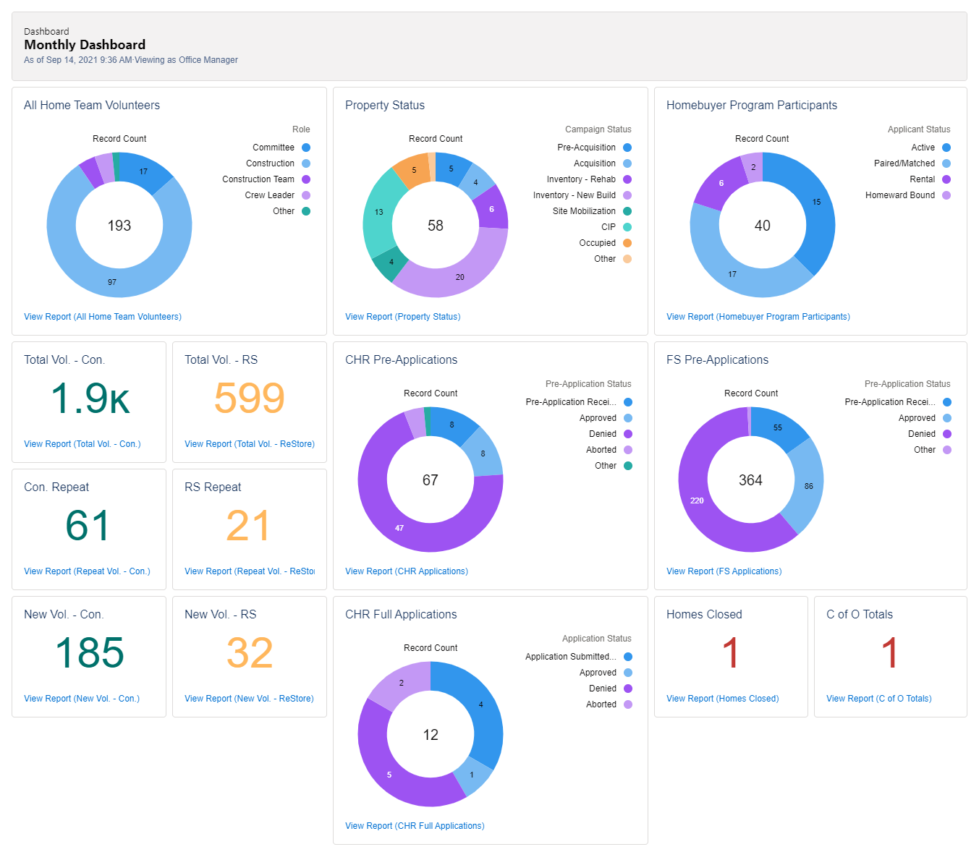

FYE '22 Mortgage Delinquencies
 | Q1
Current | 133
1-29 days | 37
30-59 days | 5
60-89 days | 4
> 90 days | 9

Habitat Buffalo FYE 22 Dashboard (as of September 14, 2021)

FYE 22 Mortgage Data
 | Q1
Current | 133
1-29 days | 37
30-59 days | 5
60-89 days | 4
> 90 days | 9
 | 188
FYE '22 Mortgage Delinquencies

